Sheet1
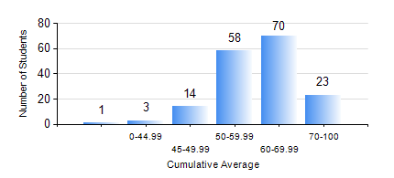
 |  |  | KWAME NKRUMAH UNIVERSITY OF SCIENCE AND TECHNOLOGY, KUMASI Department of Geomatic Engineering

 |  |  | BSC. GEOMATIC ENG.

 |  |  | COMPREHENSIVE RECORD OF EXAMINATION RESULTS

 |  |  | RESULTS OF YEAR 1 FIRST SEMESTER, 2020/2021 ACADEMIC YEAR

 | Sn | Course Code |  | Course Name | Credit Hours | Min. Mark | Max. Mark | Avg. Mark | Std. Dev. | No. Passed | No. Trailed | No. (Df) | No. (I) | No. (I*) | No. Tagged(I,I*,Df) | Total
 | 1. | ENGL 157 |  | COMMUNICATION SKILLS I | 2 | 38 | 85 | 61 | 9.46 | 167 | 1 | 0 | 1 | 0 | 1 | 169
 | 2. | GE 151 |  | CARTOGRAPHY I | 2 | 40 | 82 | 67 | 7.23 | 168 | 0 | 0 | 1 | 0 | 1 | 169
 | 3. | GE 161 |  | BASIC SURVEY PRINCIPLES I | 3 | 50 | 87 | 70 | 9.09 | 168 | 0 | 0 | 1 | 0 | 1 | 169
 | 4. | GE 171 |  | APPLIED OPTICS | 2 | 36 | 94 | 64 | 13.13 | 166 | 2 | 0 | 1 | 0 | 1 | 169
 | 5. | MATH 151 |  | ALGEBRA | 4 | 40 | 82 | 56 | 10.68 | 168 | 0 | 0 | 1 | 0 | 1 | 169
 | 6. | ME 159 |  | TECHNICAL DRAWING | 2 | 40 | 91 | 62 | 10.29 | 168 | 0 | 0 | 1 | 0 | 1 | 169
 | 7. | ME 161 |  | BASIC MECHANICS | 3 | 28 | 81 | 51 | 9.99 | 162 | 6 | 0 | 1 | 0 | 1 | 169

